Introduction
Schema for Extracts Services v5.0



Introduction

This document lists all elements of data that have been extracted from EMIS Web and will be included in daily extracts for community and GP organisations.

The data is structured in a number of tables, exported as CSV, each one representing a clinical or administrative data item in the EMIS data model. Some tables are extensions of others (e.g. extra properties for referrals) and where that is the case it is indicated against the table. Where tables are related to each other, this is indicated in the accompanying data model diagram.

©Copyright EMIS Limited 2014 - Commercial in Confidence

Admin_Location
Admin_Location

 | Column Name | Description | Example Data | Previous Location | Data Type | Max length | Is Nullable
 | HouseNameFlatNumber | Address name/flat number | 2A | dbo.Address.HouseNameFlatNumber | varchar | 50 | 1
 | NumberAndStreet | Address street | 27 Zak Lane | dbo.Address.NumberAndStreet | varchar | 50 | 1
 | Village | Address village | Hotton | dbo.Address.Village | varchar | 50 | 1
 | Town | Address town | Leeds | dbo.Address.Town | varchar | 50 | 1
 | County | Address county | West Yorkshire | dbo.Address.Country | varchar | 50 | 1
 | Postcode | Type of organisation | LS21 5MU | dbo.Address.PostCode | varchar | 7 | 1
 | LocationGuid | Unique ID | {1858F0D1-7474-4537-8EFE-AD7697E421C3} | dbo.Location.GUID | uniqueidentifier | 16 | 0
 | ParentLocationId | Parent location | {892243B2-8947-4371-B92F-7143A5A038AB} | dbo.Location.ParentLocationId | uniqueidentifier | 16 | 1
 | LocationName | Location name | The Hotton Surgery | dbo.Location.LocationName | varchar | 100 | 0
 | MainContactName | Main contact name | Mrs B Smith | dbo.Location.MainContactName | varchar | 200 | 1
 | EmailAddress | Email adress | thesurgery@nhs.co.uk | dbo.Location.EmailAddress | varchar | 100 | 1
 | PhoneNumber | Phone number | 01132555887 | dbo.Location.PhoneNumber | varchar | 100 | 1
 | FaxNumber | Fax number | 01132555888 | dbo.Location.FaxNumber | varchar | 100 | 1
 | OpenDate | Open Date | 06/09/1985 | dbo.Location.OpenDate | date | 3 | 0
 | CloseDate | Close Date | 30/06/2009 | dbo.Location.CloseDate | date | 3 | 1
 | ProcessingId | Sequentual identifier indicating the order to process the items | 1 | N/A | int | 4 | 0
 | Deleted | Indicates whether the location has been deleted | False | dbo.Location.Deleted | boolean | 1 | 0
 | LocationTypeDescription | Type of location | Main Surgery | dbo.LocationType.LocationTypeDescription | varchar | 50 | 0
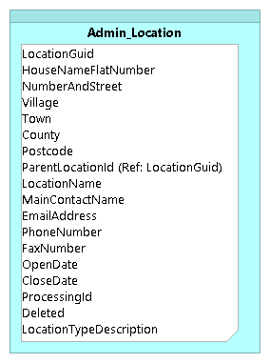

©Copyright EMIS Limited 2014 - Commercial in Confidence

Admin_Organisation
Admin_Organisation

 | Column Name | Description | Example Data | Previous Location | Data Type | Max length | Is Nullable
 | OrganisationGuid | Unique ID | {BED045C0-BC58-4934-8E11-2FC08F730060} | dbo.Organisation.GUID | uniqueidentifier | 16 | 0
 | CDB | EMIS customer number | 50002 | dbo.Organisation.CDB | int | 4 | 1
 | OrganisationName | Name of organisation | EMISWebCR1 50002 | dbo.Organisation.OrganisationName | varchar | 200 | 0
 | ODSCode | ODS code | A00002 | dbo.Organisation.NationalPracticeCode | varchar | 20 | 1
 | ParentOrganisationGuid | Link to Admin_Organisation.OrganisationGuid | {F4D020C6-EAFF-4528-83BA-E81A1CFD30DC} | dbo.Organisation.GUID | uniqueidentifier | 16 | 0
 | CCGOrganisationGuid | Link to Admin_Organisation.OrganisationGuid | {F4D020C6-EAFF-4528-83BA-E81A1CFD30DC} | dbo.Organisation.GUID | uniqueidentifier | 16 | 1
 | OrganisationType | Type of organisation | General Practice | dbo.OrganisationType.OrganisationTypeDescription | varchar | 50 | 1
 | OpenDate | Date organisation opened | 1995-12-01 | dbo.Organisation.OpenDate | date | 3 | 0
 | CloseDate | Date organisation closed | 2005-12-20 | dbo.Organisation.CloseDate | date | 3 | 1
 | MainLocationGuid | Unique ID referencing Dimension.Location | {1858F0D1-7474-4537-8EFE-AD7697E421C3} | dbo.Location.GUID | uniqueidentifier | 16 | 0
 | ProcessingId | Sequentual identifier indicating the order to process the items | 1 | N/A | int | 4 | 0

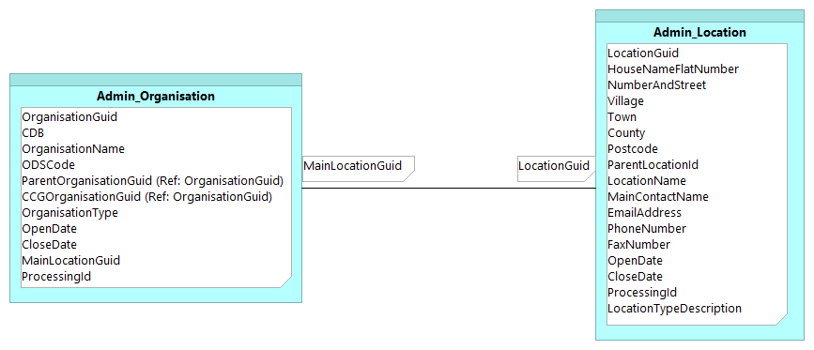

©Copyright EMIS Limited 2014 - Commercial in Confidence

Admin_Patient
Admin_Patient

 | Column Name | Description | Example Data | Previous Location | Data Type | Max length | Is Nullable
 | PatientGuid | Unique ID | {D77C65E1-E100-4272-9386-F4FC383D8759} | dbo.Patient.GUID | uniqueidentifier | 16 | 0
 | OrganisationGuid | Link to Admin_Organisation.OrganisationGuid | {0F30B81C-D956-4A05-89DF-58CC877FD719} | dbo.Organisation.GUID | uniqueidentifier | 16 | 0
 | Sex | Sex of patient | M | dbo.Patient.Sex | char | 1 | 0
 | DateOfBirth | Date of birth | 1945-09-22 | dbo.Patient.DateOfBirth | date | 3 | 0
 | DateOfDeath | Date of death |  | dbo.Patient.DateOfDeath | date | 3 | 1
 | Title | Title | Mr | dbo.Patient.Title | varchar | 50 | 0
 | GivenName | Forename | Nicholas | dbo.Patient.GivenName | varchar | 40 | 0
 | MiddleNames | Middle name |  | dbo.Patient.MiddleNames | varchar | 256 | 0
 | Surname | Surname | Clarke | dbo.Patient.Surname | varchar | 100 | 0
 | DateOfRegistration | Date of registration | 1995-12-20 | dbo.Patient.DateOfRegistration | date | 3 | 1
 | NhsNumber | NHS number | 5108980949 | dbo.PatientIdentifier.Value | char | 10 | 1
 | PatientNumber | Patient number | 1 | dbo.Patient.PatientNumber | int | 4 | 1
 | PatientTypeDescription | Patient type | Regular | dbo.PatientType.PatientTypeDescription | varchar | 30 | 1
 | DummyType | Is a dummy patient | FALSE | dbo.PatientType.DummyType | boolean | 1 | 1
 | HouseNameFlatNumber | House name, flat no |  | dbo.Address.HouseNameFlatNumber | varchar | 50 | 1
 | NumberAndStreet | Number and street | 32 Mill Lane | dbo.Address.NumberAndStreet | varchar | 50 | 1
 | Village | Village | Wooldale | dbo.Address.Village | varchar | 50 | 1
 | Town | Town | Kirkheaton | dbo.Address.Town | varchar | 50 | 1
 | County | County | West Yorkshire | dbo.Address.County | varchar | 50 | 1
 | Postcode | Postcode | BD149XM | dbo.Address.Postcode | varchar | 7 | 1
 | EmailAddress | Email address | john.smith@gmail.com | dbo.PatientContact.ContactInformation | varchar | 100 | 1
 | HomePhone | Home phone | 0113123123 | dbo.PatientContact.ContactInformation | varchar | 100 | 1
 | MobilePhone | Mobile phone | 07779123123 | dbo.PatientContact.ContactInformation | varchar | 100 | 1
 | ResidentialInstituteCode | Residential institute code |  | dbo.PatientProperties.ResidentialInstituteCode | char | 2 | 1
 | NHSNumberStatus | PDS trace indicator |  | currently unavailble | char | 2 | 1
 | CarerName | Name of carer |  | dbo.PatientAssociate.DisplayName | varchar | 452 | 1
 | CarerRelation | Carer relationship to patient |  | dbo.PatientAssociateType.Description | varchar | 100 | 1
 | PersonGUID | Globally unique GUID for the patient | {D77C65E1-E100-4272-9386-F4FC383D8759} | dbo.Person.PersonGUID | uniqueidentifier | 16 | 0
 | UsualGpUserInRoleGuid | Link to Admin_UserInRole.UserInRoleGuid | {E93841BE-BD3D-469E-A2B3-03F6EEA7CD9A} | dbo.UserInRole.GUID | uniqueidentifier | 16 | 1
 | ExternalUsualGPGuid | Unique ID for External Usual GP | {E64541DE-AB4C-5863-A2B3-03F6EEA7CD9A} | dbo.ExternalUsualGPDetails.ExternalUsualGPGuid | uniqueidentifier | 16 | 1
 | ExternalUsualGP | External Usual GP Name | Dr J Jones | dbo.ExternalUsualGPDetails.DisplayName | varchar | 263 | 1
 | ExternalUsualGPOrganisation | Link to Admin_Organisation.OrganisationGuid | {D77C65E1-E100-4272-9386-F4FC383D8759} | dbo.Organisation.GUID | uniqueidentifier | 16 | 1
 | SpineSensitive | Flag to indicate the patient has been marked as sensitive | TRUE | PDS.PatientFlags.Sensitive | boolean | 1 | 0
 | ProcessingId | Sequentual identifier indicating the order to process the items | 1 | N/A | int | 4 | 0
 | DateofDeactivation | Date that the patient's registration became inactive | 9/18/12 | Computed | date | 3 | 1
 | Deleted | Indicates whether the patient has fallen out of scope | FALSE | Computed | boolean | 1 | 0
 | IsConfidential | Flag to indicate patient is marked as confidential | TRUE | CareRecord.Consultation.ConfidentialityPolicyId | boolean | 1 | 1

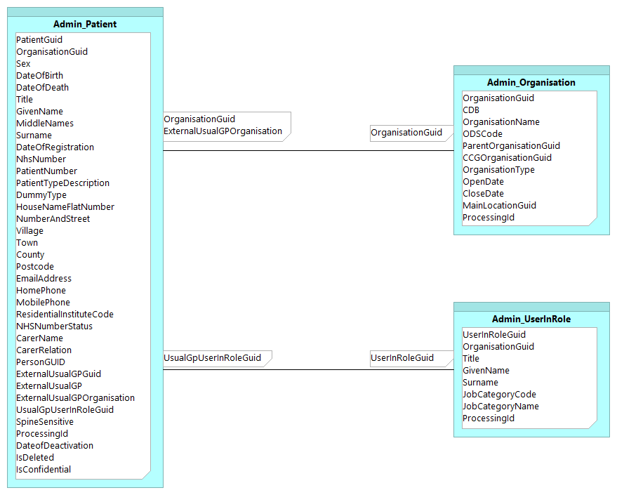

©Copyright EMIS Limited 2014 - Commercial in Confidence

Admin_UserInRole
Admin_UserInRole

 | Column Name | Description | Example Data | Previous Location | Data Type | Max length | Is Nullable
 | UserInRoleGuid | Unique ID | {E93841BE-BD3D-469E-A2B3-03F6EEA7CD9A} | dbo.UserInRole.GUID | uniqueidentifier | 16 | 0
 | OrganisationGuid | Link to Admin_Organisation.OrganisationGuid | {0F30B81C-D956-4A05-89DF-58CC877FD719} | dbo.Organisation.GUID | uniqueidentifier | 16 | 0
 | Title | Title | Dr | dbo.User.Title | varchar | 50 | 1
 | GivenName | Forename | Robert | dbo.User.Forename | varchar | 108 | 1
 | Surname | Surname | Burns | dbo.User.Surname | varchar | 100 | 1
 | ContactStartDate | Date contract started | 1995-12-01 | dbo.UserInRole.ContractStartDate | date | 3 | 0
 | ContractEndDate | Date contract ended | 2005-12-20 | dbo.UserInRole.ContractEndDate | date | 3 | 1
 | JobCategoryCode | Job category code | R0260 | AccessControl.JobCategory.JobCategoryCode | char | 5 | 0
 | JobCategoryName | Job category name | General Medical Practitioner | AccessControl.JobCategory.JobCategoryDescription | varchar | 100 | 0
 | ProcessingId | Sequentual identifier indicating the order to process the items | 1 | N/A | int | 4 | 0
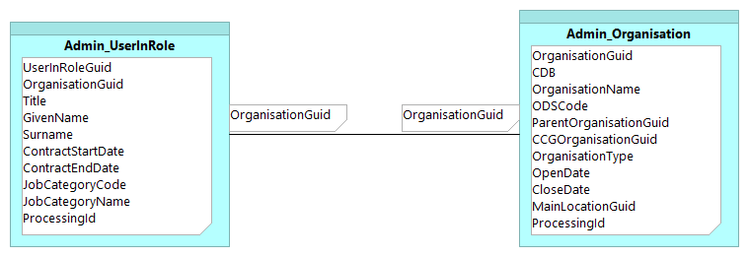

©Copyright EMIS Limited 2014 - Commercial in Confidence

Agreements_SharingOrganisation
Agreements_SharingOrganisation

 | Column Name | Description | Example Data | Previous Location | Data Type | Max Length | Is Null
 | OrganisationGuid | Unique ID | {9E3E1544-BCB1-44A2-B266-8F4961A3B4CB} | Agreements.Agreement.SharingOrganisationGuid | uniqueidentifier | 16 | 0
 | IsActivated | Has the organisation activated their agreement | TRUE | Agreements.Agreement.Activated | boolean | 1 | 0
 | Disabled | Has the organisation been disabled | FALSE | Agreements.Agreement.Disabled | boolean | 1 | 0
 | Deleted | Has the organisation been deleted | FALSE | Agreements.Agreement.Deleted | boolean | 1 | 0
 | LastModifiedDate | Date/Time of last modification | 0.7291666667 | Agreements.Agreement.LastModifiedDate | datetime | 8 | 0

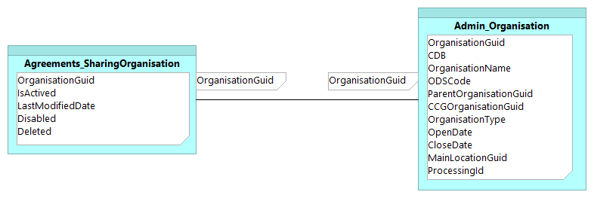

©Copyright EMIS Limited 2014 - Commercial in Confidence

Appointment_Session
Appointment_Session

 | Column Name | Description | Example Data | Previous Location | Data Type | Max Length | Is Nullable
 | OrganisationGuid | Link to Admin_Organisation.OrganisationGuid | {0F30B81C-D956-4A05-89DF-58CC877FD719} | dbo.Organisation.GUID | uniqueidentifier | 16 | 0
 | AppointmentSessionGuid | Unique ID | {ADDDC665-72DD-42C7-85A9-C0ACF7F079B9} | Appointment.Session.GUID | uniqueidentifier | 16 | 0
 | Description | Name of session | Session | Appointment.Session.Description | varchar | 100 | 0
 | SessionTypeDescription | Session type | Timed appointments | Appointment.SessionType.Description | varchar | 50 | 0
 | SessionCategoryDisplayName | Session category name | Default Non-List Category | Appointment.SessionCategory.DisplayName | varchar | 100 | 0
 | StartDate | Start date | 2012-03-20 | Appointment.Session.StartDateTime | date | 3 | 0
 | StartTime | Start time | 15:00:00 | Appointment.Session.StartDateTime | time | 5 | 0
 | EndDate | End date | 2012-03-20 | Appointment.Session.EndDateTime | date | 3 | 0
 | EndTime | End time | 18:00:00 | Appointment.Session.EndDateTime | time | 5 | 0
 | Private | Indicates whether the session is marked as private | FALSE | Appointment.Session.Private | boolean | 1 | 0
 | Deleted | Indicates whether the appointment session has been deleted | FALSE | Appointment.Session.Deleted | boolean | 1 | 0
 | ProcessingId | Sequentual identifier indicating the order to process the items | 1 | N/A | int | 4 | 0
 | LocationGuid | Link to Admin_Location.LocationGUID | {0F30B81C-D956-4A05-89DF-58CC877FD719} | dbo.Location.GUID | uniqueidentifier | 16 | 0

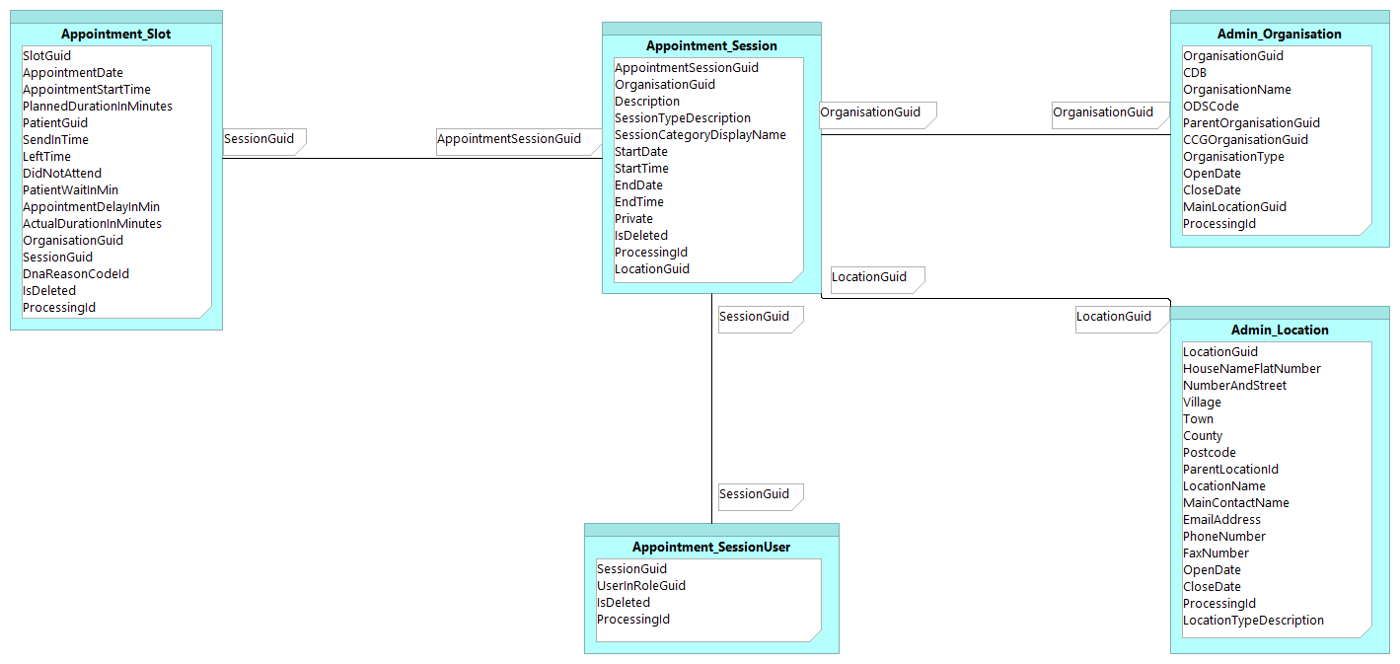

 | L

©Copyright EMIS Limited 2014 - Commercial in Confidence

Appointment_Slot
Appointment_Slot

 | Column Name | Description | Example Data | Previous Location | Data Type | Max Length | Is Null
 | SlotGuid | Unique ID | {9E3E1544-BCB1-44A2-B266-8F4961A3B4CB} | Appointment.Slot.GUID | uniqueidentifier | 16 | 0
 | AppointmentDate | Date of appointment | 2012-03-16 | Appointment.Slot.StartDateTime | date | 3 | 0
 | AppointmentStartTime | Time of appointment | 17:30:00 | Appointment.Slot.StartDateTime | time | 5 | 0
 | PlannedDurationInMinutes | Planned duration of appointment in minutes | 40 | Computed | smallint | 2 | 0
 | PatientGuid | Link to Admin_Patient.PatientGuid | {422BA762-D6F5-478D-81D5-BDEF1CD6065D} | dbo.Patient.GUID | uniqueidentifier | 16 | 0
 | SendInTime | Time patient was sent in | 20:31:25 | Appointment.SlotStatus.StatusDateTime | time | 5 | 1
 | LeftTime | Time patient left | 20:41:25 | Appointment.SlotStatus.StatusDateTime | time | 5 | 1
 | DidNotAttend | Did the patient attend Y/N | TRUE | Computed | boolean | 1 | 1
 | PatientWaitInMin | How long the patient waited for from their time of arrival | 8 | Computed | int | 4 | 1
 | AppointmentDelayInMin | How long the patient waited for from their appointment time | 8 | Computed | int | 4 | 1
 | ActualDurationInMinutes | Actual duration of appointment in minutes | 10 | Computed | int | 4 | 1
 | OrganisationGuid | Link to Admin_Organisation.OrganisationGuid | {414EC4FA-B42D-443E-BD8A-67EB69B33401} | dbo.Organisation.GUID | uniqueidentifier | 16 | 0
 | SessionGuid | Link to Appointment_Session.AppointmentSessionGuid | {6F524690-08E3-4E2D-8467-CD7489C6F7BC} | Appointment.Session.GUID | uniqueidentifier | 16 | 0
 | DnaReasonCodeId | Link to ClinicalCode.CodeId | 405044018 | Appointment.Slot.DNAReasonId | bigint | 8 | 1
 | Deleted | Indicates whether the appointment has been deleted | FALSE | Appointment.Slot.Deleted | boolean | 1 | 0
 | ProcessingId | Sequentual identifier indicating the order to process the items | 1 | N/A | int | 4 | 0

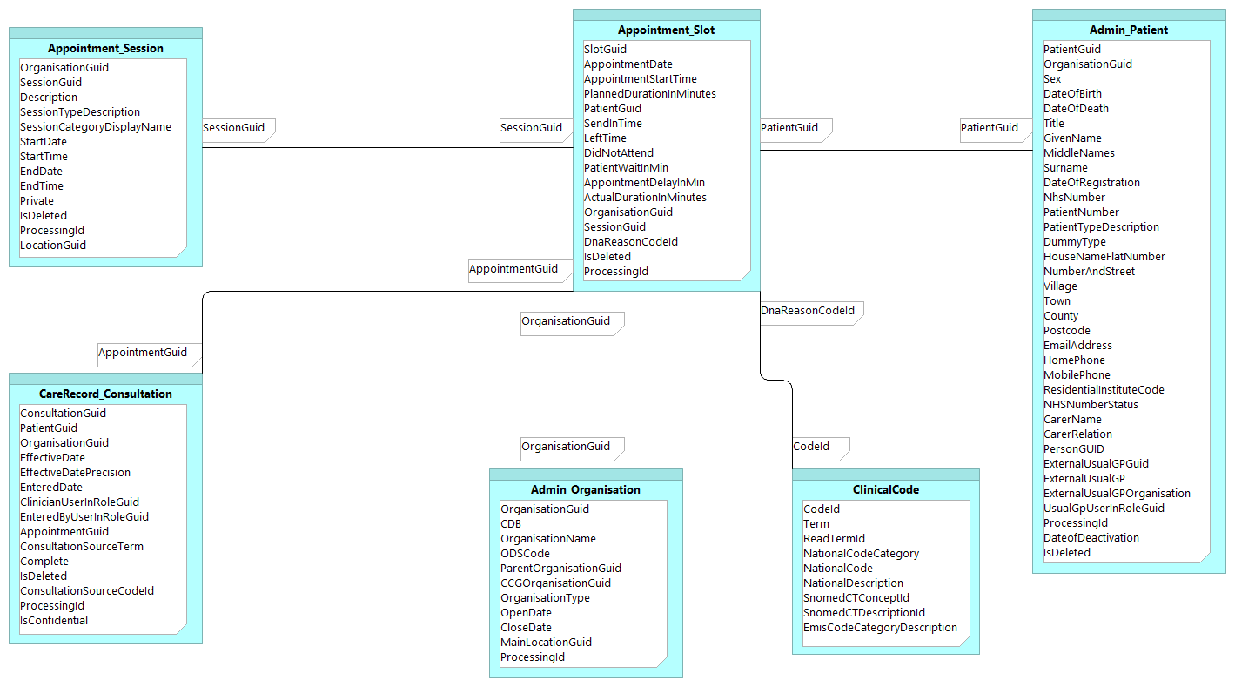

©Copyright EMIS Limited 2014 - Commercial in Confidence

CareRecord_Consultation
CareRecord_Consultation

 | Column Name | Description | Example Data | Pevious Location | Data Type | Max length | Is Nullable
 | ConsultationGuid | Unique ID | {9C6C0ACA-5D2B-4637-B850-A6FE982E1C08} | CareRecord.Consultation.GUID | uniqueidentifier | 16 | 0
 | PatientGuid | Link to Admin_Patient.PatientGuid | {7FCB62BC-6A95-474F-A063-30C36FACFE5E} | dbo.Patient.GUID | uniqueidentifier | 16 | 0
 | OrganisationGuid | Link to Admin_Organisation.OrganisationGuid | {0F30B81C-D956-4A05-89DF-58CC877FD719} | dbo.Organisation.GUID | uniqueidentifier | 16 | 0
 | EffectiveDate | Clinically effective date | 2006-08-05 | CareRecord.Consultation.EffectiveDate | date | 3 | 1
 | EffectiveDatePrecision | Date accuracy | YMD | CareRecord.Consultation.EffectiveDatePart | varchar | 100 | 1
 | EnteredDate | Entered date | 2006-11-27 | CareRecord.Consultation.AvailabilityTimeStamp | date | 3 | 1
 | EnteredTime | Entered time | 11:10:00 | CareRecord.Consultation.AvailabilityTimeStamp | time | 5 | 1
 | ClinicianUserInRoleGuid | Link to Admin_UserInRole.UserInRoleGuid | {CF1A5B91-D02D-49E4-9F52-9BC961628AAA} | dbo.UserInRole.GUID | uniqueidentifier | 16 | 1
 | EnteredByUserInRoleGuid | Link to Admin_UserInRole.UserInRoleGuid | {CF1A5B91-D02D-49E4-9F52-9BC961628AAA} | dbo.UserInRole.GUID | uniqueidentifier | 16 | 1
 | AppointmentSlotGuid | Link to Appointment_Slot.SlotGuid | {0061D928-858D-47A5-949B-D16FE450E89A} | Appointment.Slot.GUID | uniqueidentifier | 16 | 1
 | ConsultationSourceTerm | Source of Consultation | Main Surgery | CareRecord.Consultation.ConsultationSourceOriginalTerm | varchar | 200 | 1
 | Complete | Y/N | TRUE | CareRecord.Consultation.Complete | boolean | 1 | 1
 | Deleted | Indicates whether the consultation has been deleted | FALSE | CareRecord.Consultation.Deleted | boolean | 1 | 0
 | ConsultationSourceCodeId | Link to ClinicalCode.CodeId | 1776011000006110 | CareRecord.Consultation.ConsultationSourceCodeId | bigint | 8 | 1
 | ProcessingId | Sequentual identifier indicating the order to process the items | 1 | N/A | int | 4 | 0
 | IsConfidential | Flag to indicate observation is marked as confidential | TRUE | CareRecord.Consultation.ConfidentialityPolicyId | boolean | 1 | 1

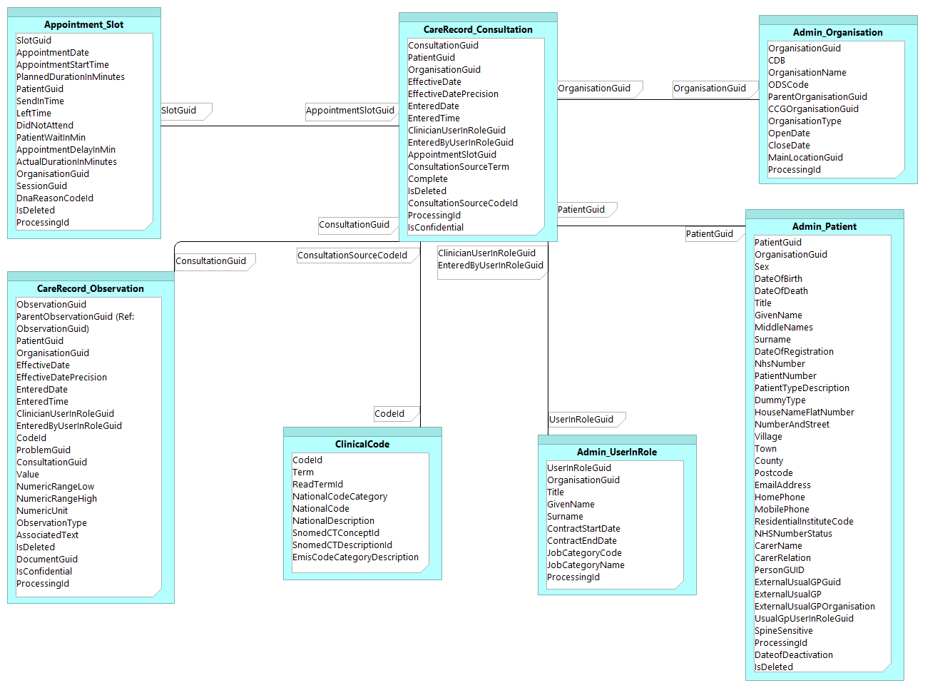

©Copyright EMIS Limited 2014 - Commercial in Confidence

CareRecord_Diary
CareRecord_Diary

 | Column Name | Description | Example Data | Original Location | Data Type | Max length | Is Nullable
 | DiaryGuid | Unique ID | {2E3B7F41-BEC8-4466-BFEC-6EA98547A6B5} | CareRecord.Diary.GUID | uniqueidentifier | 16 | 0
 | PatientGuid | Link to Admin_Patient.PatientGuid | {4B3B60D4-5082-4447-AB64-3F1DD3593462} | dbo.Patient.GUID | uniqueidentifier | 16 | 0
 | OrganisationGuid | Link to Admin_Organisation.OrganisationGuid | {0F30B81C-D956-4A05-89DF-58CC877FD719} | dbo.Organisation.GUID | uniqueidentifier | 16 | 0
 | EffectiveDate | Clinically effective date | 1999-01-01 | CareRecord.Diary.EffectiveDate | date | 3 | 1
 | EffectiveDatePrecision | Date accuracy | Y | CareRecord.Diary.EffectiveDatePart | varchar | 100 | 1
 | EnteredDate | Date entry was created | 2004-06-10 | CareRecord.Diary.AvailabilityTimeStamp | date | 3 | 1
 | EnteredTime | Time entry was created | 13:10:00 | CareRecord.Diary.AvailabilityTimeStamp | time | 5 | 1
 | ClinicianUserInRoleGuid | Link to Admin_UserInRole.UserInRoleGuid | {316D34EB-F495-4C91-B814-364C69B1A541} | dbo.UserInRole.GUID | uniqueidentifier | 16 | 1
 | EnteredByUserInRoleGuid | Link to Admin_UserInRole.UserInRoleGuid | {316D34EB-F495-4C91-B814-364C69B1A541} | dbo.UserInRole.GUID | uniqueidentifier | 16 | 1
 | CodeId | Link to ClinicalCode.CodeId | 284596015 | CareRecord.Diary.CodeId | bigint | 8 | 0
 | OriginalTerm | The numeric value for result observations | Asthma Review | CareRecord.Diary.OriginalTerm | varchar | 200 | 0
 | AssociatedText | Free text | Blood pressure reminder | CareRecord.Diary.AssociatedText | varchar | 8000 | 1
 | DurationTerm | Duration free text | 3 months | CareRecord.Diary.DurationTerm | varchar | 50 | 1
 | LocationTypeDescription | Location type description | G.P.Surgery | dbo.LocationType.LocationTypeDescription | varchar | 50 | 1
 | ConsultationGuid | Link to CareRecord_Consultation.ConsultationGuid | {5E30A81C-D936-4D05-65EA-58CD877FD712} | CareRecord.Consultation.GUID | uniqueidentifier | 16 | 1
 | IsConfidential | Flag to indicate observation is marked as confidential | TRUE | CareRecord.Diary.ConfidentialityPolicyId | boolean | 1 | 1
 | IsActive | Indicates whether the diary entry is currently active | TRUE | CareRecord.Diary.IsActive | boolean | 1 | 0
 | IsComplete | Indicates whether the diary entry is complete | TRUE | CareRecord.Diary.Complete | boolean | 1 | 0
 | Deleted | Indicates whether the diary entry has been deleted | FALSE | CareRecord.Diary.Deleted | boolean | 1 | 0
 | ProcessingId | Sequentual identifier indicating the order to process the items | 1 | N/A | int | 4 | 0
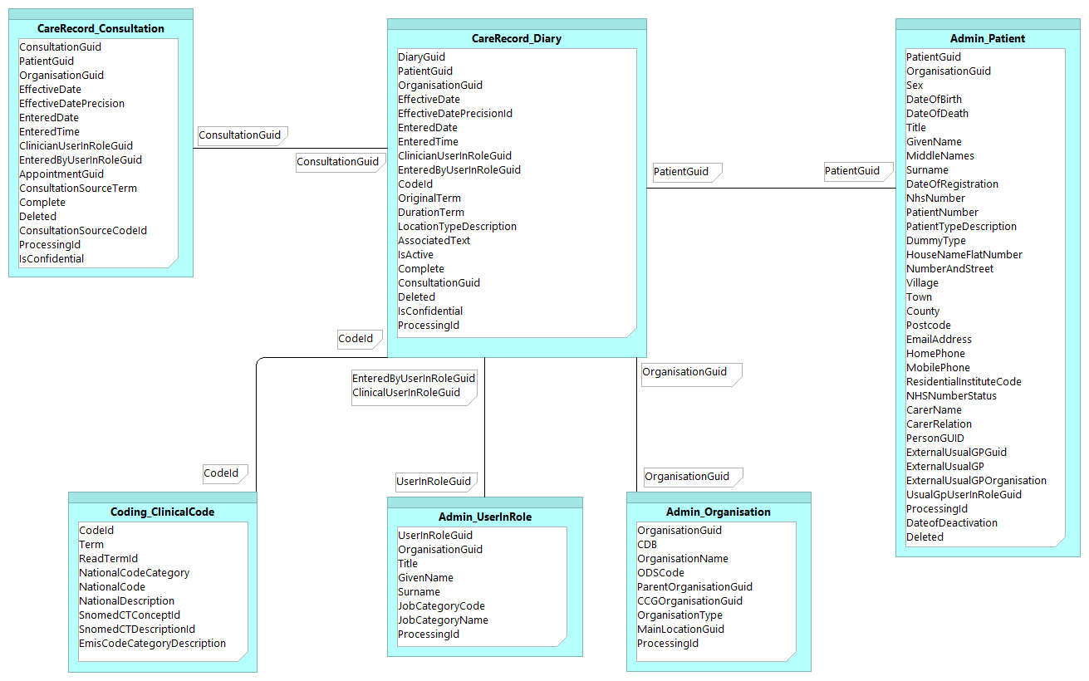

©Copyright EMIS Limited 2014 - Commercial in Confidence

CareRecord_Observation
CareRecord_Observation

 | Column Name | Description | Example Data | Original Location | Data Type | Max length | Is Nullable
 | ObservationGuid | Unique ID | {2E3B7F41-BEC8-4466-BFEC-6EA98547A6B5} | CareRecord.Observation.GUID | uniqueidentifier | 16 | 0
 | ParentObservationGuid | If this observation has a parent code the link to the ParentObservationGuid is provided here | {59CF37C1-79C3-4A74-AA21-07553E4B195D} | CareRecord.Observation.GUID | uniqueidentifier | 16 | 0
 | PatientGuid | Link to Admin_Patient.PatientGuid | {4B3B60D4-5082-4447-AB64-3F1DD3593462} | dbo.Patient.GUID | uniqueidentifier | 16 | 0
 | OrganisationGuid | Link to Admin_Organisation.OrganisationGuid | {0F30B81C-D956-4A05-89DF-58CC877FD719} | dbo.Organisation.GUID | uniqueidentifier | 16 | 0
 | EffectiveDate | Clinically effective date | 1999-01-01 | CareRecord.Observation.EffectiveDate | date | 3 | 1
 | EffectiveDatePrecision | Date accuracy | Y | CareRecord.Observation.EffectiveDatePart | varchar | 100 | 0
 | EnteredDate | Date entry was created | 2004-06-10 | CareRecord.Observation.AvailabilityTimeStamp | date | 3 | 0
 | EnteredTime | Time entry was created | 13:10:00 | CareRecord.Observation.AvailabilityTimeStamp | time | 5 | 1
 | ClinicianUserInRoleGuid | Link to Admin_UserInRole.UserInRoleGuid | {316D34EB-F495-4C91-B814-364C69B1A541} | dbo.UserInRole.GUID | uniqueidentifier | 16 | 0
 | EnteredByUserInRoleGuid | Link to Admin_UserInRole.UserInRoleGuid | {316D34EB-F495-4C91-B814-364C69B1A541} | dbo.UserInRole.GUID | uniqueidentifier | 16 | 0
 | CodeId | Link to Coding_ClinicalCode.CodeId | 284596015 | CareRecord.Observation.CodeId | bigint | 8 | 0
 | ProblemGuid | Link to CareRecord_Problem.ObservationGuid | {4D1D319C-7289-4CFB-9E87-11F89F97CC5C} | CareRecord.Observation.GUID | uniqueidentifier | 16 | 1
 | ConsultationGuid | Link to CareRecord_Consultation.ConsultationGuid | {3E2D654D-5648-3DE3-3F45-32A75D98EE3D} | CareRecord.Consultation.GUID | uniqueidentifier | 16 | 1
 | Value | The numeric value for result observations | 135 | CareRecord.Observation.NumericValue | decimal | 9 | 1
 | NumericRangeLow | Low Range | 2 | CareRecord.Range.Minimum | decimal | 9 | 1
 | NumericRangeHigh | High Range | 7.5 | CareRecord.Range.Maximum | decimal | 9 | 1
 | NumericUnit | Unit | 10*9/L | CareRecord.Observation.NumericUnits | varchar | 60 | 1
 | ObservationType | Type of observation | Observation | CareRecord.ObservationType.TypeDescription | varchar | 20 | 1
 | AssociatedText | Free text | feeling tired all of the time | CareRecord.Observation.AssociatedText | varchar | 8000 | 1
 | Deleted | Indicates whether the clinical observation has been deleted | FALSE | CareRecord.Observation.Deleted | boolean | 1 | 0
 | ProcessingId | Sequentual identifier indicating the order to process the items | 1 | N/A | int | 4 | 0
 | DocumentGuid | Unique ID for associated attachment | {6BD67363-AB3D-4F85-8D23-136ED6B76DD6} | CareRecord.Document.DocumentGUID | uniqueidentifier | 16 | 1
 | IsConfidential | Flag to indicate observation is marked as confidential | TRUE | CareRecord.Observation.ConfidentialityPolicyId | boolean | 1 | 0

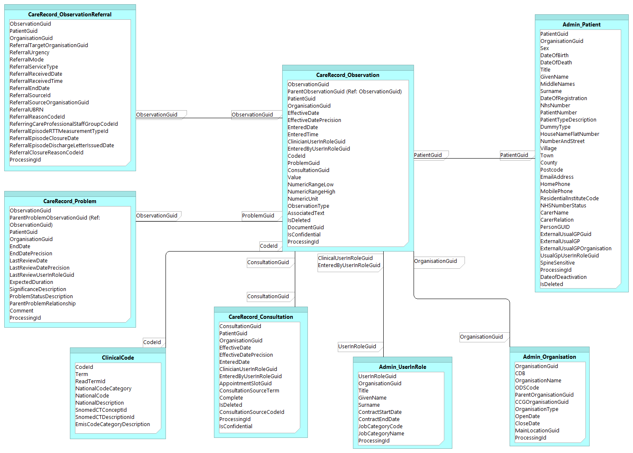

©Copyright EMIS Limited 2014 - Commercial in Confidence

CareRecord_ObservationReferral
CareRecord_ObservationReferral

 | Column Name | Description | Example Data | Original Location | Data Type | Max length | Is Nullable
 | ObservationGuid | Unique ID | {2E3B7F41-BEC8-4466-BFEC-6EA98547A6B5} | CareRecord.ObservationGUID | uniqueidentifier | 16 | 0
 | PatientGuid | Link to Dimension.Patient.PatientGuid | {4B3B60D4-5082-4447-AB64-3F1DD3593462} | dbo.Patient.GUID | uniqueidentifier | 16 | 0
 | OrganisationGuid | Link to Admin_Organisation.OrganisationGuid | {0F30B81C-D956-4A05-89DF-58CC877FD719} | dbo.Organisation.GUID | uniqueidentifier | 16 | 0
 | ReferralTargetOrganisationGuid | Link to Admin_Organisation.OrganisationGuid | {6B776524-F038-4BEB-9CA7-0F354026EA34} | New column | uniqueidentifier | 16 | 0
 | ReferralUrgency | Urgency of referral | Routine | ReferralManagement.Urgency.DisplayText | varchar | 50 | 1
 | ReferralMode | Mode of referral | Written | CareRecord.ReferralMode.Description | varchar | 100 | 1
 | ReferralServiceType | Service type |  | CareRecord.ServiceType.DisplayText | varchar | 100 | 1
 | ReferralReceivedDate* | Date referral was received | 2014-01-01 | CareRecord.Referral.ReceivedDate | date | 3 | 1
 | ReferralReceivedTime* | Time referral was received |  | CareRecord.Referral.ReceivedDate | time | 5 | 1
 | ReferralEndDate* | Date referral was ended | 2014-01-25 | CareRecord.Referral.EndedDate | date | 3 | 1
 | ReferralSourceId* | Link to ClinicalCode.CodeId | 1775631000006110 | CareRecord.Referral.ReferralSourceId | bigint | 8 | 1
 | ReferralSourceOrganisationGuid* | Link to Admin_Organisation.OrganisationGuid | {0DA89FCD-FDD5-4999-863C-86734FA4548C} | dbo.Organisation.GUID | uniqueidentifier | 16 | 0
 | ReferralUBRN | Unique Booking Reference Number | 123456978965 | CareRecord.Referral.UBRN | char | 12 | 1
 | ReferralReasonCodeId* | Link to ClinicalCode.CodeId | 1776841000006110 | EpisodeManagement.ReferralEpisode.ReferralReasonCodeId | bigint | 8 | 1
 | ReferringCareProfessionalStaffGroupCodeId* | Link to ClinicalCode.CodeId | 1776011000006110 | CareRecord.Referral.ReferringCareProfessionalStaffGroupCodeId | bigint | 8 | 1
 | ReferralEpisodeRTTMeasurementTypeId* | Link to ClinicalCode.CodeId | 1777251000006110 | EpisodeManagement.ReferralEpisode.RTTMeasurementTypeId | bigint | 8 | 1
 | ReferralEpisodeClosureDate* | Episode end date | 2013-02-17 | EpisodeManagement.ReferralEpisode.ClosureDate | date | 3 | 1
 | ReferralEpisodeDischargeLetterIssuedDate* | Discharge letter issued date | 2013-02-17 | EpisodeManagement.ReferralEpisode.DischargeLetterIssuedDate | date | 3 | 1
 | ReferralClosureReasonCodeId* | Link to ClinicalCode.CodeId | 1777151000006110 | PatientAdmin.DischargeOrRejectionReason.Code | bigint | 8 | 1
 | ProcessingId | Sequentual identifier indicating the order to process the items | 1 | N/A | int | 4 | 0

 | * Column header present in extract but value is currently not supplied. The columns will be populated in future updates but have been supplied now to aid receiving systems development.

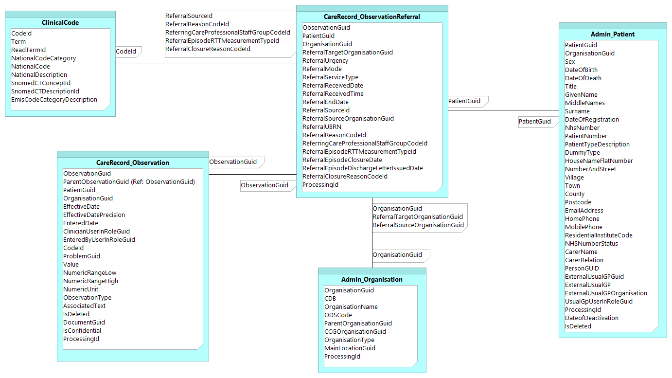

©Copyright EMIS Limited 2014 - Commercial in Confidence

CareRecord_Problem
CareRecord_Problem

 | Column Name | Description | Example Data | Original Location | Data Type | Max length | Is Nullable
 | ObservationGuid | Unique ID | {2E3B7F41-BEC8-4466-BFEC-6EA98547A6B5} | CareRecord.Observation.GUID | uniqueidentifier | 16 | 0
 | ParentProblemObservationGuid | If this observation has a parent code the link to the ParentObservationGuid is provided here | {59CF37C1-79C3-4A74-AA21-07553E4B195D} | CareRecord.Observation.GUID | uniqueidentifier | 16 | 1
 | PatientGuid | Link to Admin_Patient.PatientGuid | {4B3B60D4-5082-4447-AB64-3F1DD3593462} | dbo.Patient.GUID | uniqueidentifier | 16 | 0
 | OrganisationGuid | Link to Admin_Organisation.OrganisationGuid | {0F30B81C-D956-4A05-89DF-58CC877FD719} | dbo.Organisation.GUID | uniqueidentifier | 16 | 0
 | EndDate | Problem end date | 1999-01-01 | CareRecord.Problem.EndDate | date | 3 | 1
 | EffectiveDatePrecision | Date accuracy | YMD | CareRecord.Problem.EffectiveDatePart | varchar | 100 | 0
 | LastReviewDate | Date Problem last reviewd | 1999-01-01 | CareRecord.Problem.LastReviewDate | date | 3 | 1
 | LastReviewDatePrecision | Date accuracy | YMD | CareRecord.Problem.LastReviewDatePart | varchar | 100 | 1
 | LastReviewUserInRoleGuid | Link to Admin_UserInRole.UserInRoleGuid | {316D34EB-F495-4C91-B814-364C69B1A541} | dbo.UserInRole.GUID | uniqueidentifier | 16 | 1
 | ExpectedDuration | Expected duration of problem | 1900-01-28 | CareRecord.Problem.ExpecedDuration | smallint | 2 | 0
 | SignificanceDescription | Problem significance | Minor Problem | CareRecord.Problem.Significance | varchar | 20 | 0
 | ProblemStatusDescription | Status of the problem | Active Problem | CareRecord.Problem.Status | varchar | 50 | 0
 | ParentProblemRelationship | Relationship to parent problem | Grouped | CareRecord.Problem.ParentProblemRelationship | varchar | 20 | 1
 | Comment | Problem comment (Free text) | First occurrence | CareRecord.Problem.Comment | varchar | 8000 | 1
 | ProcessingId | Sequentual identifier indicating the order to process the items | 1 | N/A | int | 4 | 0

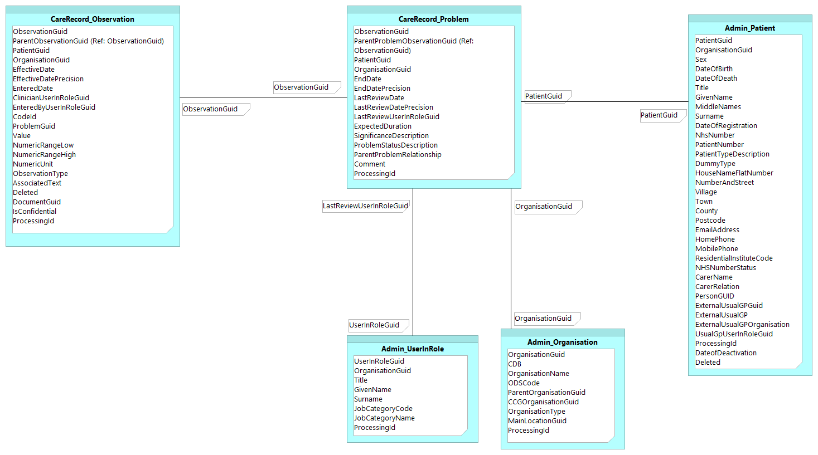

©Copyright EMIS Limited 2014 - Commercial in Confidence

Coding_ClinicalCode
Coding_ClinicalCode

 | Column Name | Description | Example Data | Previous Location | Data Type | Max length | Is Nullable
 | CodeId | Unique ID | 1777541000006110 |  | bigint | 8 | 0
 | Term | Code term | Activity location: Patient's home | Coding.Code.Term | varchar | 255 | 0
 | ReadTermId | Read code | EMISNQAC724 | Coding.Code.OldCode | varchar | 100 | 1
 | NationalCodeCategory | Code category | ACTIVITY LOCATION TYPE CODE | DataDictionary.DataElement.Name | varchar | 100 | 1
 | NationalCode | National code | A01 | DataDictionary.NationalCode.DataDictionaryCode | varchar | 50 | 1
 | NationalDescription | National code description | Patients home | DataDictionary.NationalCode.Description | varchar | 255 | 1
 | SnomedCTConceptId | Unique ID | 1777541000006100 | Mapping.CodeSnomed.SnomedCTConceptId | bigint | 8 | 0
 | SnomedCTDescriptionId | Unique ID | 1777541000006110 | Mapping.CodeSnomed.SnomedCTDescriptionId | bigint | 8 | 0
 | EmisCodeCategoryDescription | EMIS Code Category Description | Biochemistry | Coding.EmisCodeCategory.Description | varchar | 64 | 0
 | ProcessingId | Sequentual identifier indicating the order to process the items | 1 | N/A | int | 4 | 0
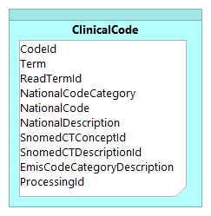

©Copyright EMIS Limited 2014 - Commercial in Confidence

Coding_DrugCode
Coding_DrugCode

 | Column Name | Description | Example Data | Previous Location | Data Type | Max length | Is Nullable
 | CodeId | Drug code ID | 1026041000033110 | New column | bigint | 8 | 0
 | Term | Name of drug | Oxprenolol 160mg modified-release tablets | Coding.Code.Term | varchar | 255 | 0
 | DmdProductCodeId | DM&D ID | 318507003 | Mapping.DmdPreparation | bigint | 8 | 1
 | ProcessingId | Sequentual identifier indicating the order to process the items | 1 | N/A | int | 4 | 0
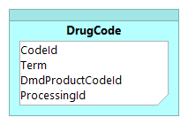

©Copyright EMIS Limited 2014 - Commercial in Confidence

Prescribing_DrugRecord
Prescribing_DrugRecord

 | Column Name | Description | Example Data | Previous Location | Data Type | Max length | Is Nullable
 | DrugRecordGuid | Unique ID | {10EBFA6C-C6E0-481B-B8B7-106173D649DD} | Prescribing,DrugRecord.GUID | uniqueidentifier | 16 | 0
 | PatientGuid | Link to Admin_Patient.PatientGuid | {7AE77416-038A-4761-9F6A-8D77B4C7ABCF} | dbo.Patient.GUID | uniqueidentifier | 16 | 0
 | OrganisationGuid | Link to Admin_Organisation.OrganisationGuid | {0F30B81C-D956-4A05-89DF-58CC877FD719} | dbo.Organisation.GUID | uniqueidentifier | 16 | 0
 | EffectiveDate | Clinically effective date | 2002-10-28 | Prescribing.DrugRecord.EffectiveDate | date | 3 | 1
 | EffectiveDatePrecision | Date accuracy | YMD | Prescribing.DrugRecord.EffectiveDatePart | varchar | 100 | 0
 | EnteredDate | Date entered | 2002-10-28 | Prescribing.DrugRecord.AvailabilityTimeStamp | date | 3 | 0
 | EnteredTime | Time entry was created | 13:10:00 | Prescribing.DrugRecord.AvailabilityTimeStamp | time | 5 | 1
 | ClinicianUserInRoleGuid | Link to Admin_UserInRole.UserInRoleGuid | {E93841BE-BD3D-469E-A2B3-03F6EEA7CD9A} | dbo.UserInRole.GUID | uniqueidentifier | 16 | 0
 | EnteredByUserInRoleGuid | Link to Admin_UserInRole.UserInRoleGuid | {E93841BE-BD3D-469E-A2B3-03F6EEA7CD9A} | dbo.UserInRole.GUID | uniqueidentifier | 16 | 0
 | CodeId | Link to DrugCode.CodeId | 17141000033112 | Prescribing.DrugRecord.CodeId | bigint | 8 | 0
 | Dosage | Dosage | TAKE ONE DAILY | Prescribing.DrugRecord.Dosage | varchar | 400 | 0
 | Quantity | Quantity | 28 | Prescribing.DrugRecord.Quantity | decimal | 5 | 0
 | QuantityUnit | Unit | tablet(s) | Prescribing.DrugRecord.QuantityUnit | varchar | 60 | 0
 | ProblemObservationGuid | Link to CareRecord_Observation.ProblemGuid | {8EEA30CA-1E1E-42A3-8F06-AC8A151078BF} | New column | uniqueidentifier | 16 | 0
 | PrescriptionType | Type of prescription | Repeat | Prescribing.DrugRecord.TypeDescription | varchar | 20 | 0
 | IsActive | Is this still active | TRUE | Prescribing.DrugRecord.DrugStatus | boolean | 1 | 0
 | CancellationDate | Date of Cancellation | 2014-03-21 | Prescribing.DrugRecordCancellation.CancellationDateTime | date | 3 | 1
 | NumberOfIssues | No. of times drug has been issued on current authorisation | 6 | Prescribing.DrugRecord.NoOfIssues | tinyint | 1 | 1
 | NumberOfIssuesAuthorised | No. of issues authorised | 6 | Prescribing.DrugRecord.NumberOfIssuesAuthorised | tinyint | 1 | 1
 | Deleted | Indicates whether the drug has been deleted | FALSE | Prescribing.DrugRecord.Deleted | boolean | 1 | 0
 | ProcessingId | Sequentual identifier indicating the order to process the items | 1 | N/A | int | 4 | 0
 | IsConfidential | Flag to indicate observation is marked as confidential | TRUE | Prescribing.DrugRecord.ConfidentialityPolicyId | boolean | 1 | 0

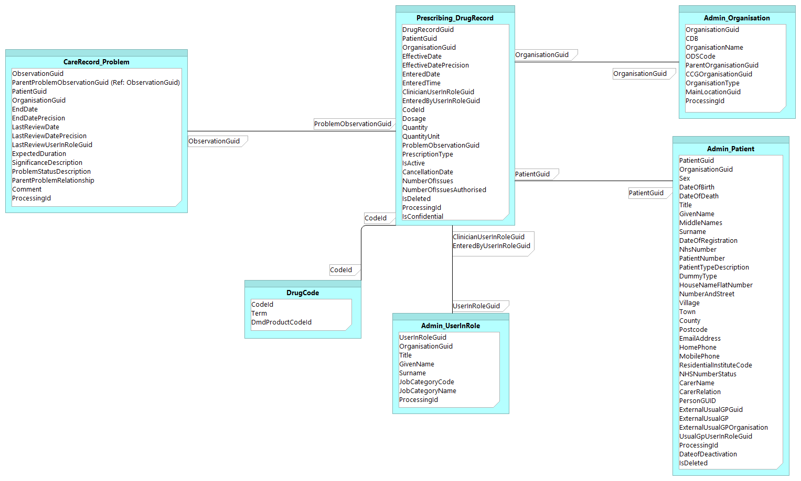

©Copyright EMIS Limited 2014 - Commercial in Confidence

Prescribing_IssueRecord
Prescribing_IssueRecord

 | Column Name | Description | Example Data | Previous Location | Data Type | Max length | Is Nullable
 | IssueRecordGuid | Unique ID | {94C45BF4-F71D-4A42-A7F1-6BFA9CF2B227} | Prescribing.IssueRecord.GUID | uniqueidentifier | 16 | 0
 | PatientGuid | Link to Admin_Patient.PatientGuid | {97BBBC3C-FB67-4D88-9572-2C317C952F5C} | dbo.Patient.GUID | uniqueidentifier | 16 | 0
 | OrganisationGuid | Link to Admin_Organisation.OrganisationGuid | {0F30B81C-D956-4A05-89DF-58CC877FD719} | dbo.Organisation.GUID | uniqueidentifier | 16 | 0
 | EffectiveDate | Clinically effective date | 2006-06-23 | Prescribing,IssueRecord.EffectiveDate | date | 3 | 1
 | EffectiveDatePrecision | Date accuracy | YMD | Prescribing.IssueRecord.EffectiveDatePart | varchar | 100 | 0
 | EnteredDate | Entered date | 2006-06-23 | Prescribing.IssueRecord.AvailabiliyTimeStamp | date | 3 | 0
 | EnteredTime | Time entry was created | 13:10:00 | Prescribing.IssueRecord.AvailabilityTimeStamp | time | 5 | 1
 | ClinicianUserInRoleGuid | Link to Admin_UserInRole.UserInRoleGuid | {893001D7-07FA-42D8-A303-C61FD99C874B} | dbo.UserInRole.GUID | uniqueidentifier | 16 | 0
 | EnteredByUserInRoleGuid | Link to Admin_UserInRole.UserInRoleGuid | {893001D7-07FA-42D8-A303-C61FD99C874B} | dbo.UserInRole.GUID | uniqueidentifier | 16 | 0
 | CodeId | Link to DrugCode.CodeId | 2261441000033110 | Prescribing.IssueRecord.CodeId | bigint | 8 | 0
 | Quantity | Quantity | 56 | Prescribing.IssueRecord.Quantity | decimal | 5 | 0
 | CourseDurationInDays | Number of days the course was due to last (where known) | 30 | Prescribing.IssueRecord.CourseDurationInDays | int | 4 | 0
 | EstimatedNhsCost | Estimated NHS cost | 13.14 | New column | smallmoney | 4 | 0
 | ProblemObservationGuid | Link to CareRecord_Observation.ProblemGuid | {148781FC-7F33-4314-BDF5-655A99BE91A8} | New column | uniqueidentifier | 16 | 0
 | Dosage | Dosage | 1 AT NIGHT | Prescribing.IssueRecord.Dosage | varchar | 400 | 0
 | QuantityUnit | Unit | tablet(s) | New column | varchar | 60 | 0
 | DrugRecordGuid | Link to Prescribing_DrugRecord.DrugRecordGuid | {4EF066F4-B040-4169-B0C1-C41D727A792F} | Prescribing,DrugRecord.GUID | uniqueidentifier | 16 | 0
 | Deleted | Indicates whether the drug issue has been deleted | FALSE | Prescribing.IssueRecord.Deleted | boolean | 1 | 0
 | ProcessingId | Sequentual identifier indicating the order to process the items | 1 | N/A | int | 4 | 0
 | IsConfidential | Flag to indicate observation is marked as confidential | TRUE | Prescribing.IssueRecord.ConfidentialityPolicyId | boolean | 1 | 0

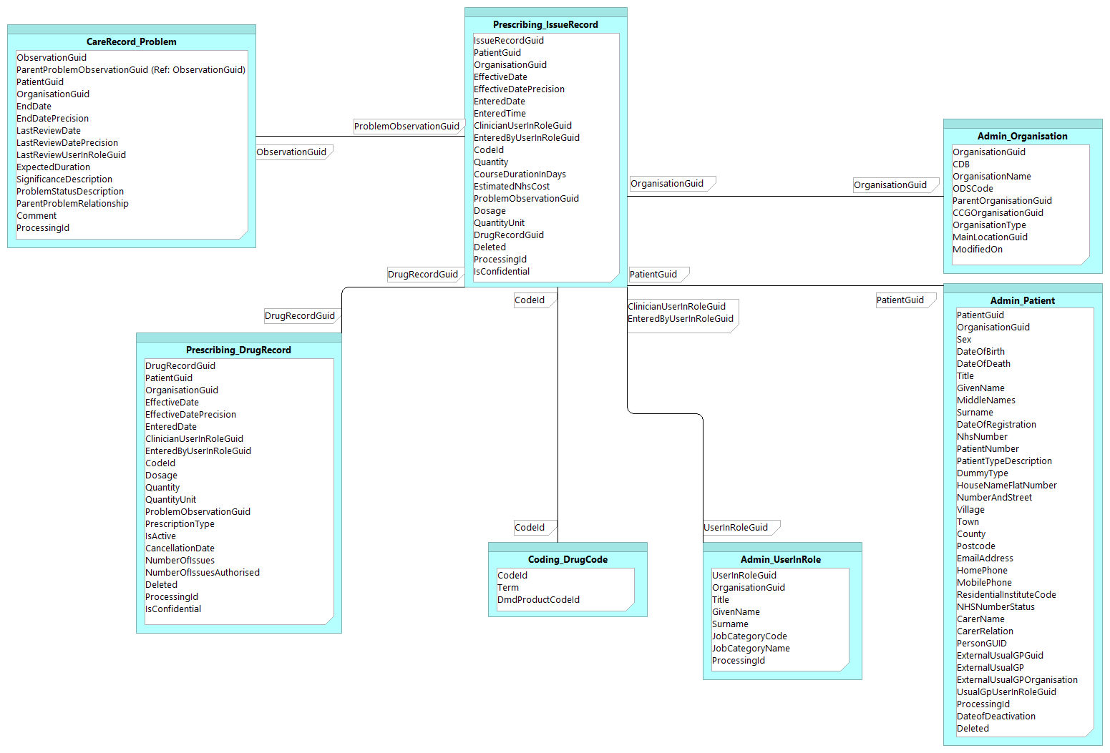

©Copyright EMIS Limited 2014 - Commercial in Confidence

